WE-896
PT SUMI RUBBER INDONESIA
WP | PROSEDUR PENGOPERASIAN 1 ROLL TYRE CORD DENGAN SCAN 2 BARCODE TICKET |  |  |  |  | WE - 896/00

Latar Belakang : Handling scan double ticket dalam 1 roll textile cord
Ruang Lingkup : Produksi -2
PIC : Opr, Ldr, FM, Spv. Prod-1

I. Langkah-langkah pengoperasian program :

1. Operator input PrepCode, MakeRollNum
2. Input NIK, OperatorName, Group
3. Klik tombol [F3] Order OK

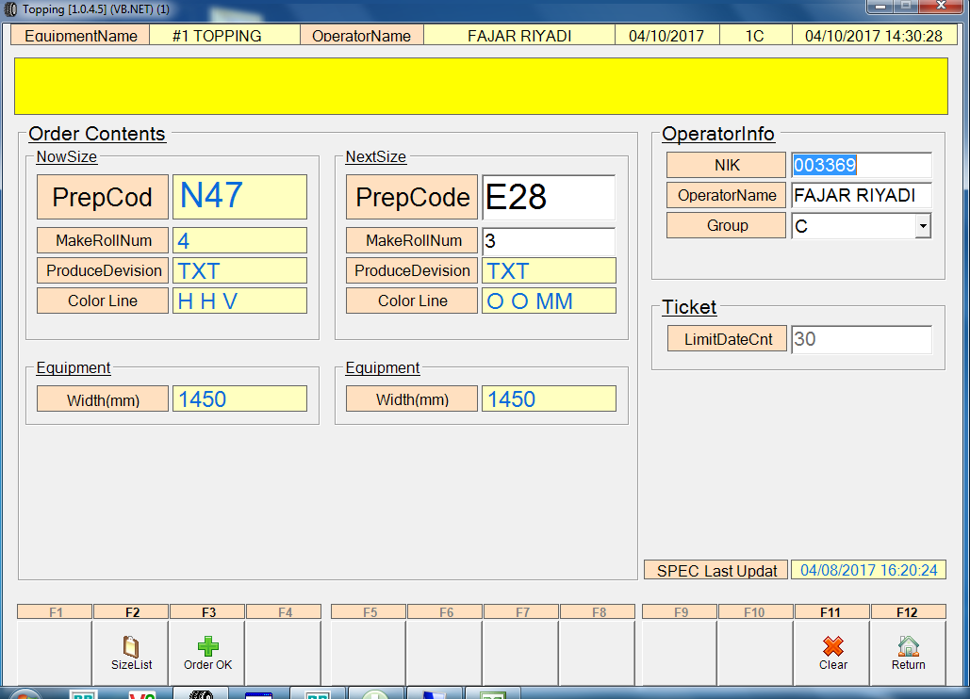

2
1

3

4. Scan ticket compound
5. Klik tombol [F8] Code Check untuk scan tiket textile cord

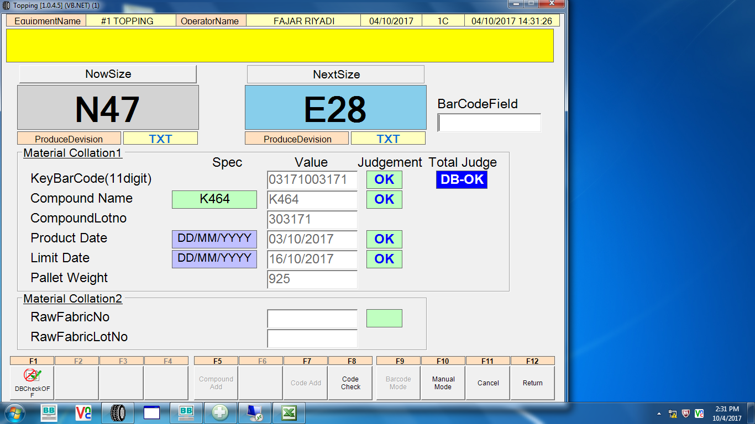

4

5

Issued date | Approved by |  | Checked by |  | Prepared by |  | Page
 |  |  |  |  |  |  | 1/6
 | Sutrisno | Juhdi M |  | Chandra W |  | Fahmi P

PT SUMI RUBBER INDONESIA
WP | PROSEDUR PENGOPERASIAN 1 ROLL TYRE CORD DENGAN SCAN 2 BARCODE TICKET |  |  |  |  | WE - 896/00

6. Scan tiket textile cord.
7. Jika sudah ada keterangan DB-OK, kemudian klik [F12] Return

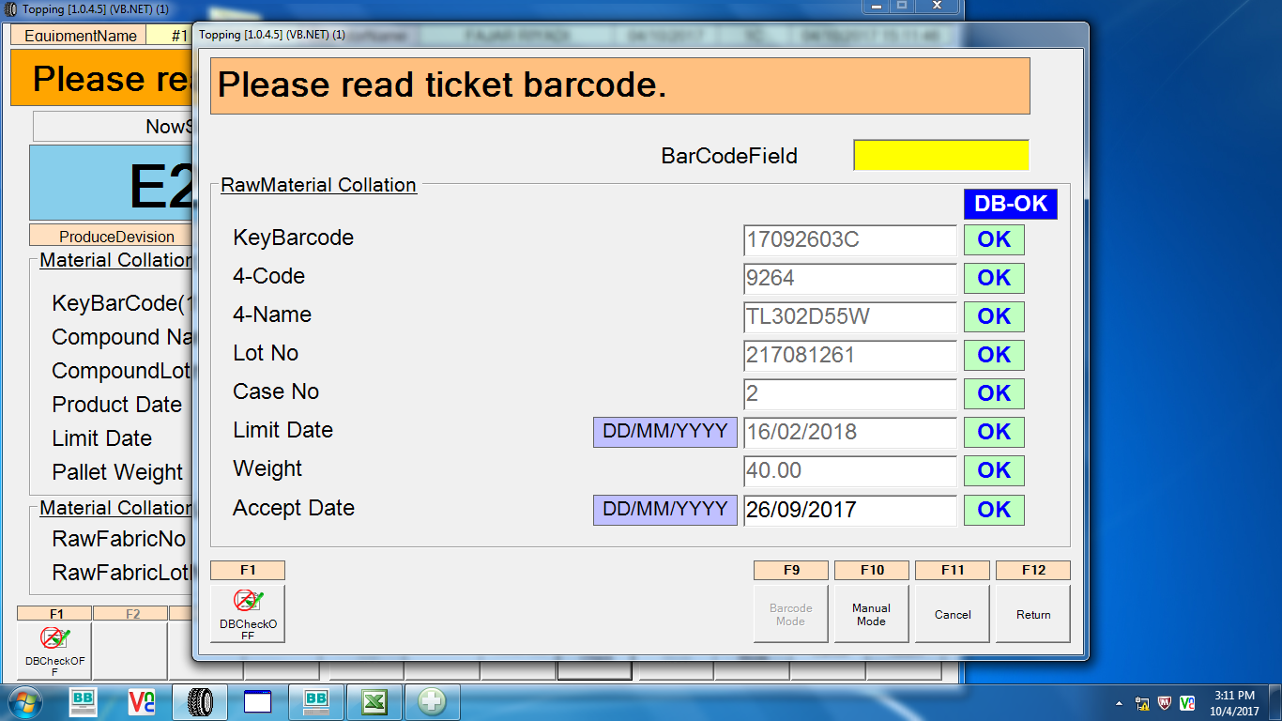

6
Ticket-1 1/2

7

8. Data wire sudah teregistrsi di program.
9. Kemudian klik tombol [F12] Return.

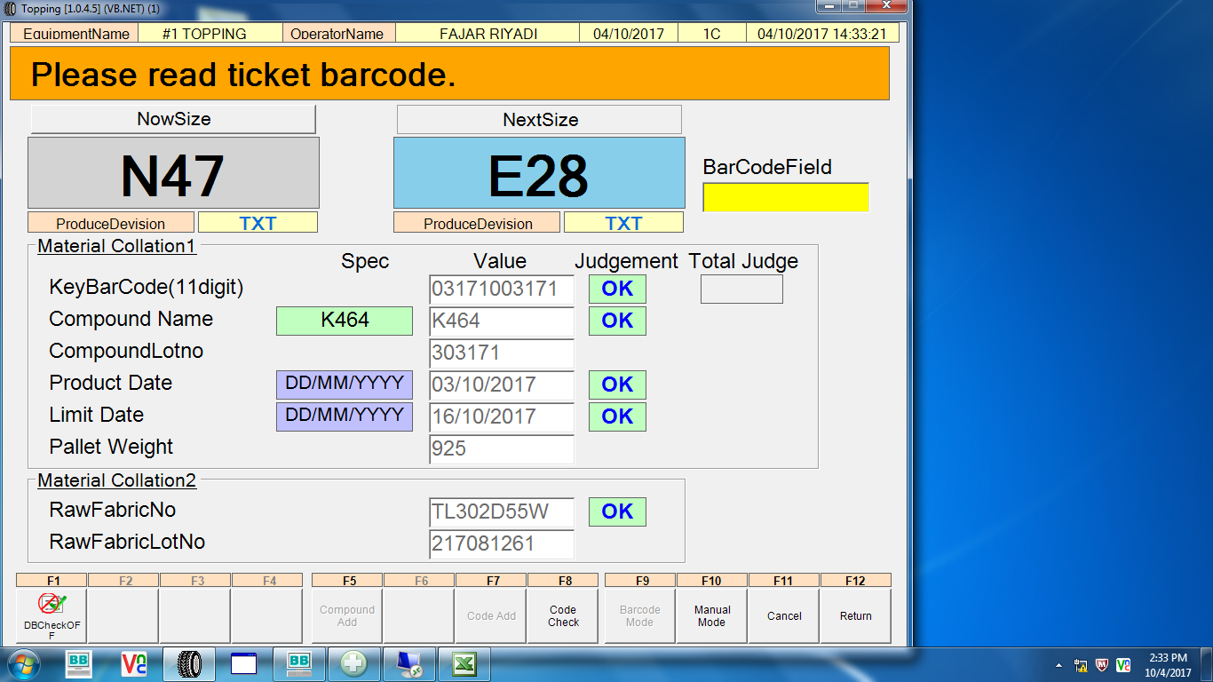

8

9

Issued date | Approved by |  | Checked by |  | Prepared by |  | Page
 |  |  |  |  |  |  | 2/6
 | Sutrisno | Juhdi M |  | Chandra W |  | Fahmi P

PT SUMI RUBBER INDONESIA
WP | PROSEDUR PENGOPERASIAN 1 ROLL TYRE CORD DENGAN SCAN 2 BARCODE TICKET |  |  |  |  | WE - 896/00

10. Data compound dan textile cord akan di proses di roll 1 dari total 3 roll.

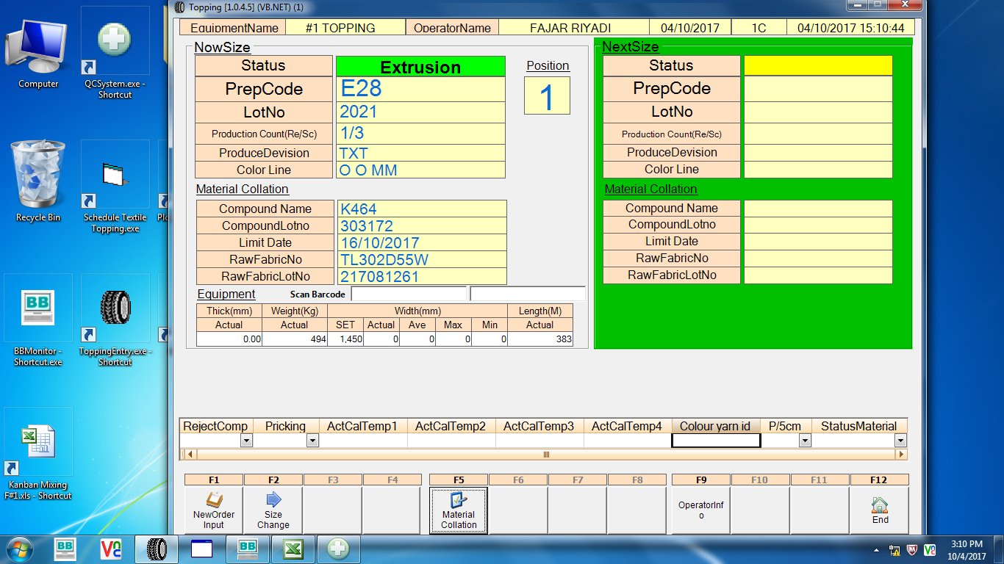
10

11. Proses pembuatan topping dipped cord roll yang ke 2/3.
11
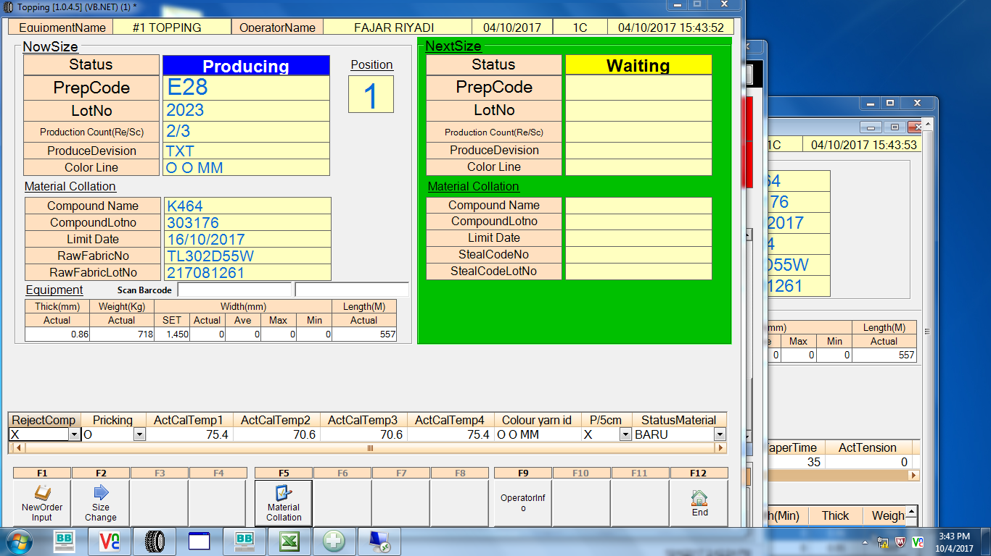

Issued date | Approved by |  | Checked by |  | Prepared by |  | Page
 |  |  |  |  |  |  | 3/6
 | Sutrisno | Juhdi M |  | Chandra W |  | Fahmi P

PT SUMI RUBBER INDONESIA
WP | PROSEDUR PENGOPERASIAN 1 ROLL TYRE CORD DENGAN SCAN 2 BARCODE TICKET |  |  |  |  | WE - 896/00

12. Proses pembuatan topping dipped cord roll yang ke 3/3.
13. Di roll yang ke 3 ini akan ditambahkan ticket roll baru, kemudian klik tombol [F5] Material Collation.

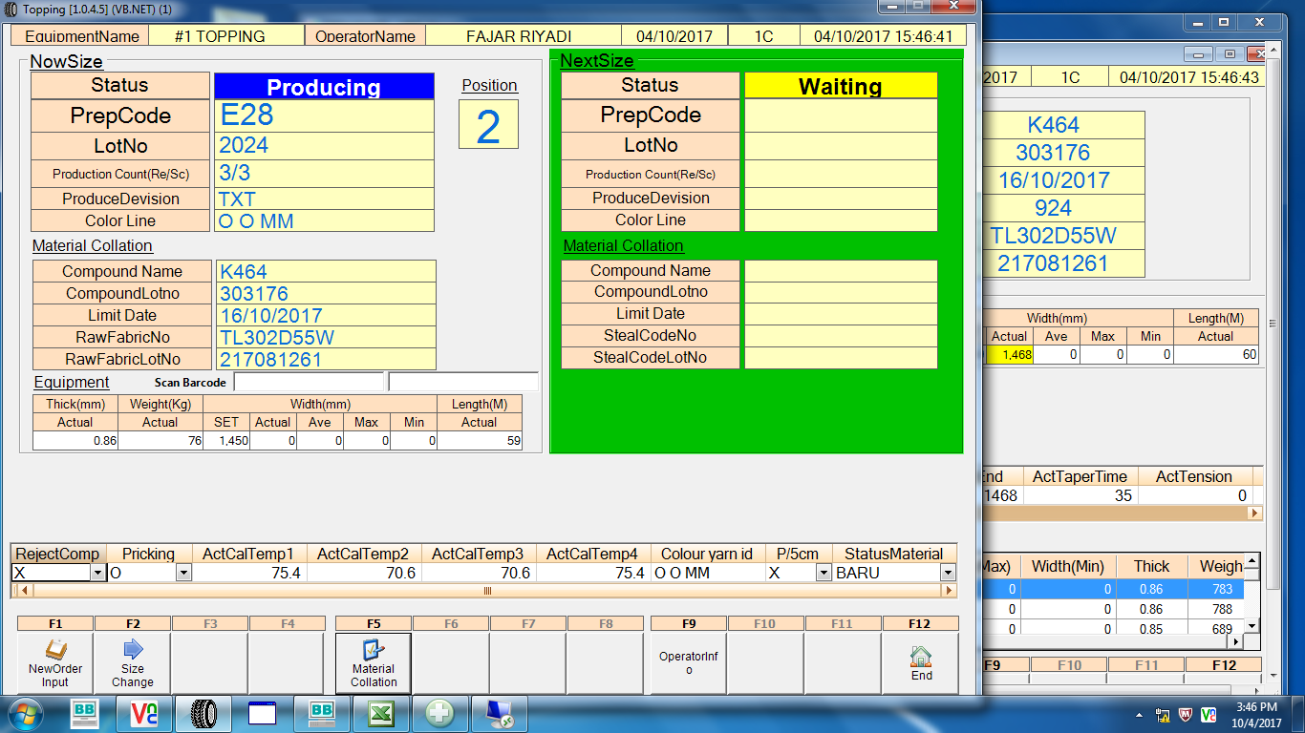
12

13

14. Klik tombol [F7] Code Add untuk menambahkan data textile cord.
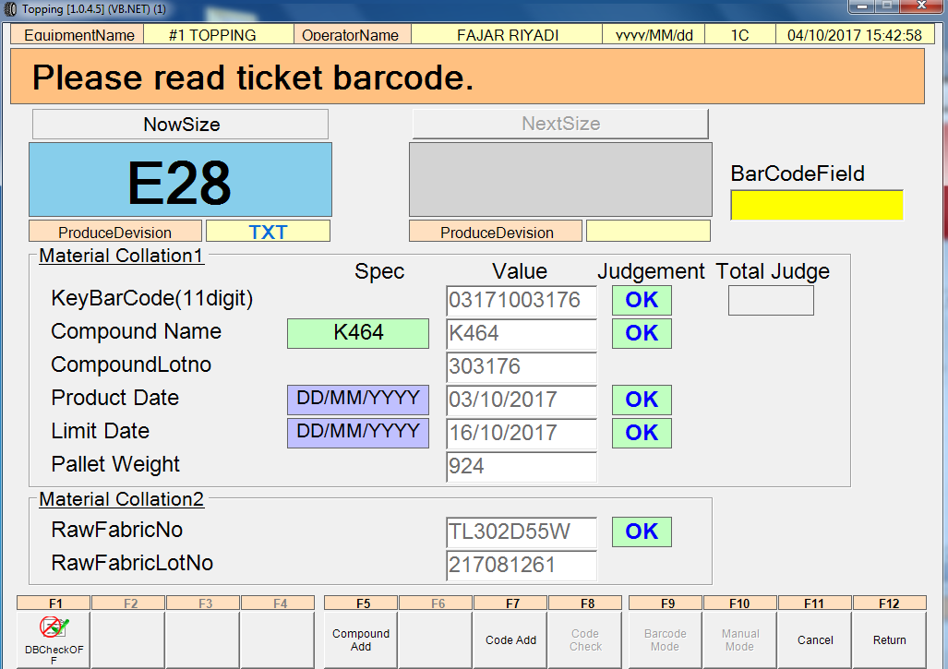

14

Issued date | Approved by |  | Checked by |  | Prepared by |  | Page
 |  |  |  |  |  |  | 4/6
 | Sutrisno | Juhdi M |  | Chandra W |  | Fahmi P

PT SUMI RUBBER INDONESIA
WP | PROSEDUR PENGOPERASIAN 1 ROLL TYRE CORD DENGAN SCAN 2 BARCODE TICKET |  |  |  |  | WE - 896/00

15. Klik tombol [F8] Code Check untuk scan data textile cord yang ke-2.

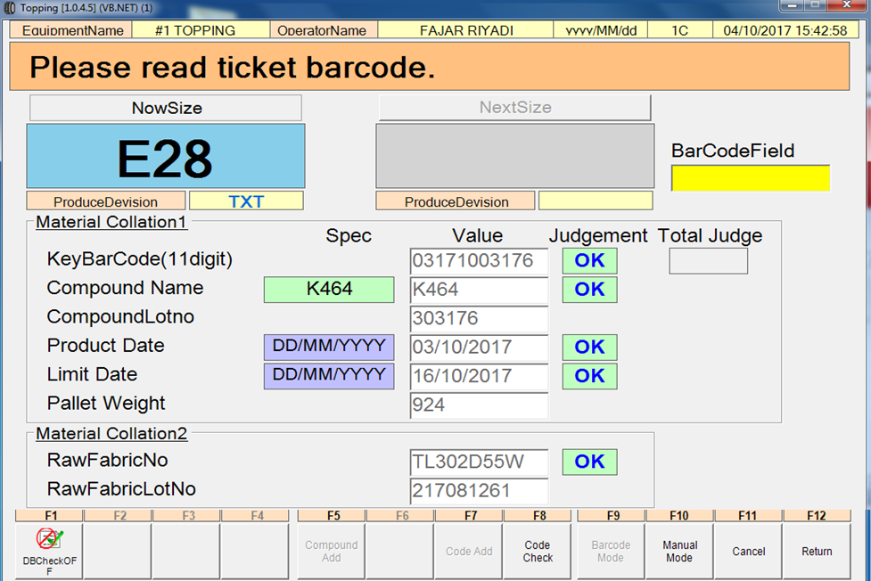

15

16. Scan data textile cord yang ke-2.
17. Jika sudah ada keterangan DB-OK, kemudian klik tombol [F12] Return

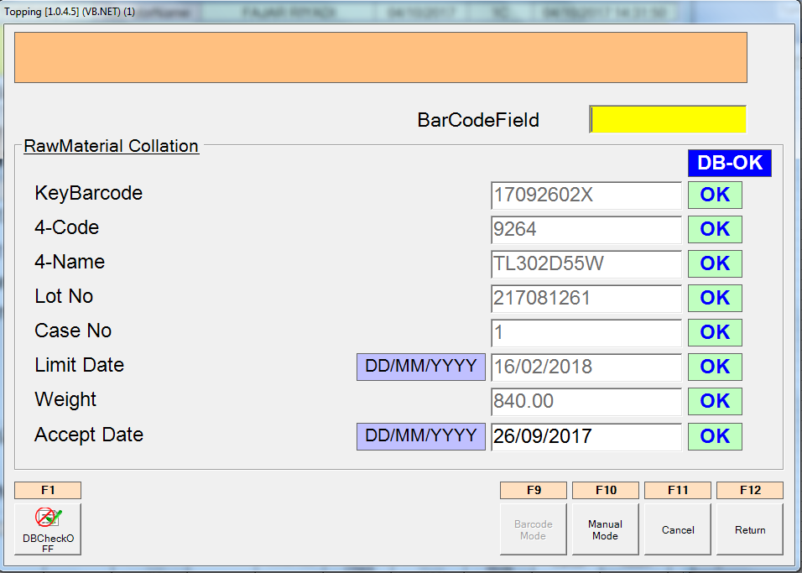
16
Ticket-2 2/2

17

Issued date | Approved by |  | Checked by |  | Prepared by |  | Page
 |  |  |  |  |  |  | 5/6
 | Sutrisno | Juhdi M |  | Chandra W |  | Fahmi P

PT SUMI RUBBER INDONESIA
WP | PROSEDUR PENGOPERASIAN 1 ROLL TYRE CORD DENGAN SCAN 2 BARCODE TICKET |  |  |  |  | WE - 896/00

18. Data textile cord roll ke-2 akan di produksi di roll ke-3.

18

19. Lot assurance system record pada saat penambahan textile cord.

19

RECORD DATA KE QC SYSTEM
ROLL PREP TEXTILE CORD LOT KEYBARCODE
1 E28 TL302D55W 217081261 17092603C --> SCAN TIKET PERTAMA
2 E28 TL302D55W 217081261 17092603C
3 E28 TL302D55W 217081261 17092602X --> SCAN TIKET KE-2

Issued date | Approved by |  | Checked by |  | Prepared by |  | Page
 |  |  |  |  |  |  | 6/6
 | Sutrisno | Juhdi M |  | Chandra W |  | Fahmi P

